Sheet2
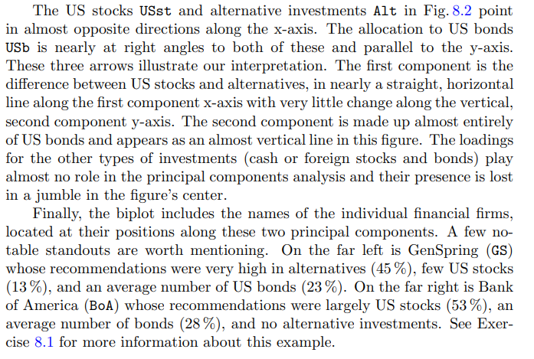
 |  | Stocks |  |  | Bonds |  |  |  | Consider the investment recommendation data appearing in Table 1.5. Every financial management firm has a set of recommended percentages in each of eight different investment types.
Manager | US | Non-US | Dev. | US | Non-US | Dev. | Alternative | Cash
AllianceBernstein | 45 | 3 | 17 | 35 | 0 | 0 | 0 | 0
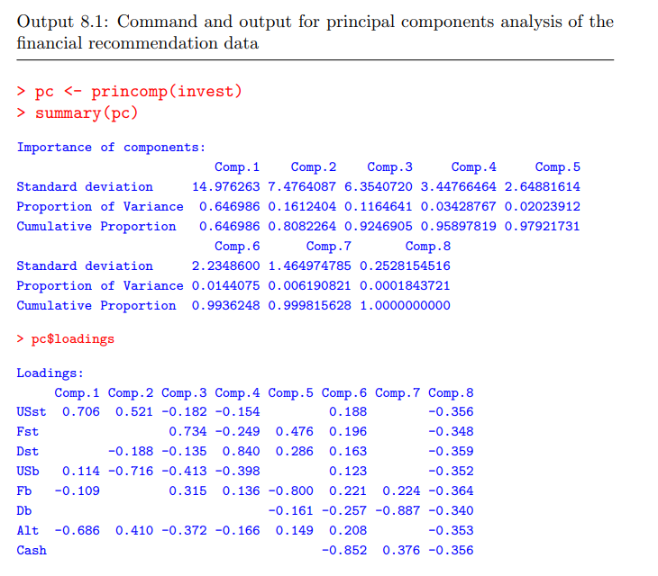
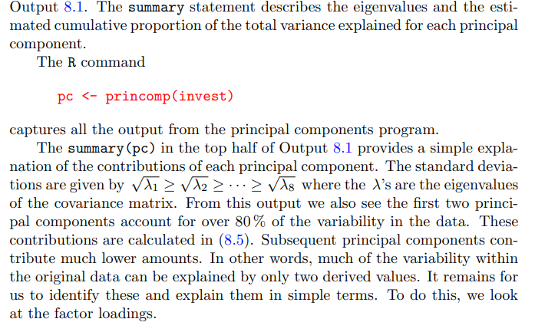
AtlanticTrust | 28 | 6 | 9 | 30 | 3 | 0 | 24 | 0
BankofAmerica | 53 | 9 | 3 | 28 | 1 | 1 | 0 | 5
BNYMellon | 26 | 9 | 10 | 30 | 0 | 0 | 25 | 0
Bessemer | 19 | 9 | 3 | 20 | 4 | 5 | 34 | 6
BrownAdvisory | 29 | 13 | 12 | 19 | 3 | 0 | 20 | 4
CitiPrivateBank | 18 | 27 | 3 | 18 | 16 | 1 | 17 | 0
Constellation | 20 | 10 | 10 | 25 | 5 | 0 | 30 | 0
DeutscheBank | 29 | 14 | 6 | 29 | 2 | 4 | 17 | 2
Fidelity | 40 | 14 | 4 | 35 | 2 | 0 | 6 | 0
FiduciaryTrust | 40 | 10 | 13 | 31 | 0 | 0 | 5 | 2
FifthThirdBank | 28 | 9 | 7 | 36 | 0 | 0 | 15 | 5
GenSpring | 13 | 8 | 5 | 18 | 8 | 0 | 45 | 5
Glenmede | 35 | 12 | 5 | 18 | 2 | 3 | 23 | 2
HarrisPrivateBank | 54 | 10 | 4 | 18 | 0 | 0 | 15 | 0
HighmountCapital | 25 | 5 | 10 | 40 | 5 | 0 | 15 | 0
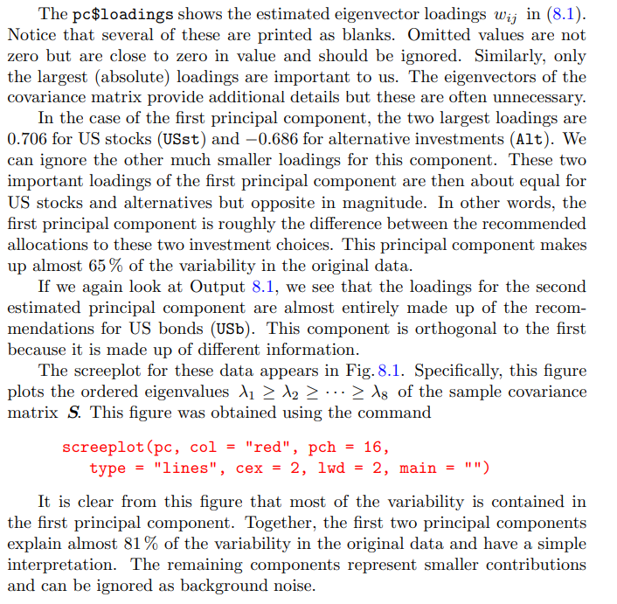
JanneyMontgomery | 47 | 4 | 4 | 26 | 4 | 5 | 10 | 0
JPMorgan | 20 | 9 | 5 | 22 | 3 | 0 | 38 | 3
LeggMason | 55 | 3 | 7 | 17 | 0 | 0 | 15 | 3
NorthernTrust | 24 | 8 | 5 | 31 | 0 | 0 | 32 | 0
PNCAssetMgmt | 40 | 8 | 2 | 30 | 0 | 0 | 20 | 0
CharlesSchwab | 29 | 20 | 5 | 29 | 1 | 0 | 11 | 5
SunTrust | 26 | 6 | 3 | 25 | 7 | 0 | 30 | 3
UBS | 32 | 10 | 7 | 27 | 6 | 0 | 17 | 2
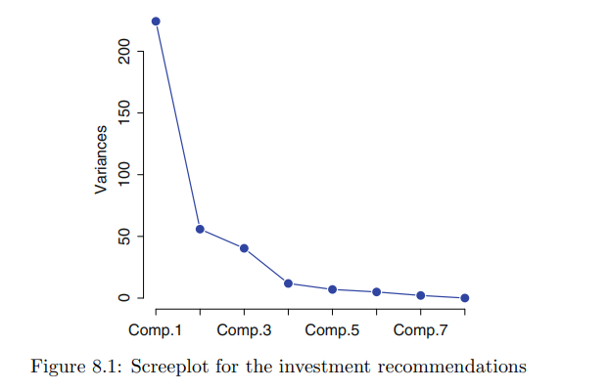
USBank | 43 | 16 | 7 | 21 | 3 | 0 | 10 | 0
WellsFargo | 27 | 13 | 5 | 21 | 4 | 2 | 28 | 0
WilmingtonTrust | 27 | 11 | 4 | 31 | 1 | 0 | 27 | 0
Averages | 32.3 | 10.2 | 6.5 | 26.3 | 3 | 0.8 | 19.6 | 1.7

